KKO
KAJIAN KELAYAKAN OPERASI

DAYA LAMA |  |  |  | DAYA BARU
Nama Pelanggan | : | UD BINTANG JAYA |  | Nama Pelanggan | : | UD BINTANG JAYA
Daya Lama (VA) | : | 105000 |  | Daya Baru (VA) | : | 764000
Jumlah Fasa | : | 3 | * | Jumlah Fasa | : | 3
Tegangan Sekunder Pengukuran rata-rata (Fasa-Netral) (V) | : | 380 | * | Tegangan Sekunder Pengukuran rata-rata (Fasa-Netral) (V) | : | 380
Beban Pelanggan (A) | : | 159.53 |  | Beban Pelanggan (A) | : | 1160.78

SUPLAI TRAFO EKSISTING |  |  |  | SUPLAI TRAFO RENCANA
Nomor Tiang | : |  |  | Nomor Tiang | :
Penyulang | : |  |  | Penyulang | :
Daya | : | 100 | * | Daya | : | 200
Jumlah Fasa | : | 3 | * | Jumlah Fasa | : | 3
Beban TRAFO (Pengukuran Lapangan) |  | 150 |  | Beban TRAFO | : | 1160.78
Beban Primer | : | 2.89 | * | Beban Primer | : | 5.77
Beban Sekunder | : | 151.93 | * | Beban Sekunder | : | 303.87
Beban (A) | : | 0.15 |  | Beban (A) | : | 0.30
Prosentase Pembebanan | : | 99% |  | Beban (A) | : | 382%
 | 382% | 100%
Prosentase Pembebanan | : | 100% |  | Beban (A) | : | 100%

DATA





DATA
Tahun | : | 2022
Discount Rate | : | 12%
Transfer price TM | : | 1,084 |  | Marginal COST maret 2022
Umur ekonomis (tahun) | : | 25.00
Selisih Susut Teknis | : | 2.25%
∑ Daya | : | 659
BP (Rp) | : | 510,725,000
RAB (Rp) | : | 94,717,565
Biaya O&M (2% invest) | : | 1,894,351.31

Nama Pelanggan | : | UD BINTANG JAYA | *
Golongan Pelanggan | : | R3 | *
Jenis Layanan | : | REGULER | *
Daya Lama (kVA) | : | 105 | *
Daya Baru (kVA) | : | 764 | *
Tarif WBP (Rp/kWh) | : | 1,458.00 | *
Tarif LWBP (Rp/kWh) | : | 972.00 | *
BP (Rp/VA) TR | : | 775 | *
Jam Nyala | : | 40 | *

KKF
 | II. KAJIAN KELAYAKAN FINANSIAL (KKF) |  |  |  | UD BINTANG JAYA

 | Tahun | Energi (kWh) | E WBP (kWh) | E LWBP (kWh) | Cost (Juta IDR) |  |  |  |  | Benefit (Juta IDR) |  |  | Nett Benefit | Factor PV | PV Net Benefit | ΣPV Net Benefit | Pay Back Periode
 |  |  |  |  | Invest | O&M | Transfer Price | Losses | Total | BP | E Sales | Total
0 | 2023 | 210,880.00 | 35,146.67 | 175,733.33 | 94.72 | 1.89 | 228.62 | 5.14 | 330.38 | 510.73 | 222.06 | 732.78 | 402.41 | 1 | 402.41 | 402.41
1 | 2024 | 316,320.00 | 52,720.00 | 263,600.00 |  | 1.89 | 342.93 | 7.72 | 352.54 |  | 333.08 | 333.08 | (19.46) | 0.89 | (17.37) | 385.03
2 | 2025 | 316,320.00 | 52,720.00 | 263,600.00 |  | 1.89 | 342.93 | 7.72 | 352.54 |  | 333.08 | 333.08 | (19.46) | 0.80 | (15.51) | 369.52
3 | 2026 | 316,320.00 | 52,720.00 | 263,600.00 |  | 1.89 | 342.93 | 7.72 | 352.54 |  | 333.08 | 333.08 | (19.46) | 0.71 | (13.85) | 355.68
4 | 2027 | 316,320.00 | 52,720.00 | 263,600.00 |  | 1.89 | 342.93 | 7.72 | 352.54 |  | 333.08 | 333.08 | (19.46) | 0.64 | (12.36) | 343.31
5 | 2028 | 316,320.00 | 52,720.00 | 263,600.00 |  | 1.89 | 342.93 | 7.72 | 352.54 |  | 333.08 | 333.08 | (19.46) | 0.57 | (11.04) | 332.27
6 | 2029 | 316,320.00 | 52,720.00 | 263,600.00 |  | 1.89 | 342.93 | 7.72 | 352.54 |  | 333.08 | 333.08 | (19.46) | 0.51 | (9.86) | 322.41
7 | 2030 | 316,320.00 | 52,720.00 | 263,600.00 |  | 1.89 | 342.93 | 7.72 | 352.54 |  | 333.08 | 333.08 | (19.46) | 0.45 | (8.80) | 313.61
8 | 2031 | 316,320.00 | 52,720.00 | 263,600.00 |  | 1.89 | 342.93 | 7.72 | 352.54 |  | 333.08 | 333.08 | (19.46) | 0.40 | (7.86) | 305.76
9 | 2032 | 316,320.00 | 52,720.00 | 263,600.00 |  | 1.89 | 342.93 | 7.72 | 352.54 |  | 333.08 | 333.08 | (19.46) | 0.36 | (7.02) | 298.74
10 | 2033 | 316,320.00 | 52,720.00 | 263,600.00 |  | 1.89 | 342.93 | 7.72 | 352.54 |  | 333.08 | 333.08 | (19.46) | 0.32 | (6.26) | 292.48
11 | 2034 | 316,320.00 | 52,720.00 | 263,600.00 |  | 1.89 | 342.93 | 7.72 | 352.54 |  | 333.08 | 333.08 | (19.46) | 0.29 | (5.59) | 286.88
12 | 2035 | 316,320.00 | 52,720.00 | 263,600.00 |  | 1.89 | 342.93 | 7.72 | 352.54 |  | 333.08 | 333.08 | (19.46) | 0.26 | (4.99) | 281.89
13 | 2036 | 316,320.00 | 52,720.00 | 263,600.00 |  | 1.89 | 342.93 | 7.72 | 352.54 |  | 333.08 | 333.08 | (19.46) | 0.23 | (4.46) | 277.43
14 | 2037 | 316,320.00 | 52,720.00 | 263,600.00 |  | 1.89 | 342.93 | 7.72 | 352.54 |  | 333.08 | 333.08 | (19.46) | 0.20 | (3.98) | 273.45
15 | 2038 | 316,320.00 | 52,720.00 | 263,600.00 |  | 1.89 | 342.93 | 7.72 | 352.54 |  | 333.08 | 333.08 | (19.46) | 0.18 | (3.55) | 269.89
16 | 2039 | 316,320.00 | 52,720.00 | 263,600.00 |  | 1.89 | 342.93 | 7.72 | 352.54 |  | 333.08 | 333.08 | (19.46) | 0.16 | (3.17) | 266.72
17 | 2040 | 316,320.00 | 52,720.00 | 263,600.00 |  | 1.89 | 342.93 | 7.72 | 352.54 |  | 333.08 | 333.08 | (19.46) | 0.15 | (2.83) | 263.89
18 | 2041 | 316,320.00 | 52,720.00 | 263,600.00 |  | 1.89 | 342.93 | 7.72 | 352.54 |  | 333.08 | 333.08 | (19.46) | 0.13 | (2.53) | 261.36
19 | 2042 | 316,320.00 | 52,720.00 | 263,600.00 |  | 1.89 | 342.93 | 7.72 | 352.54 |  | 333.08 | 333.08 | (19.46) | 0.12 | (2.26) | 259.10
20 | 2043 | 316,320.00 | 52,720.00 | 263,600.00 |  | 1.89 | 342.93 | 7.72 | 352.54 |  | 333.08 | 333.08 | (19.46) | 0.10 | (2.02) | 257.08
21 | 2044 | 316,320.00 | 52,720.00 | 263,600.00 |  | 1.89 | 342.93 | 7.72 | 352.54 |  | 333.08 | 333.08 | (19.46) | 0.09 | (1.80) | 255.28
22 | 2045 | 316,320.00 | 52,720.00 | 263,600.00 |  | 1.89 | 342.93 | 7.72 | 352.54 |  | 333.08 | 333.08 | (19.46) | 0.08 | (1.61) | 253.67
23 | 2046 | 316,320.00 | 52,720.00 | 263,600.00 |  | 1.89 | 342.93 | 7.72 | 352.54 |  | 333.08 | 333.08 | (19.46) | 0.07 | (1.44) | 252.24
24 | 2047 | 316,320.00 | 52,720.00 | 263,600.00 |  | 1.89 | 342.93 | 7.72 | 352.54 |  | 333.08 | 333.08 | (19.46) | 0.07 | (1.28) | 250.96
25 | 2047 | 316,320.00 | 52,720.00 | 263,600.00 |  | 1.89 | 342.93 | 7.72 | 352.54 |  | 333.08 | 333.08 | (19.46) | 0.06 | (1.14) | 249.81
 |  |  |  |  | Total Cost |  |  |  | 9,143.89 | Total Benefit |  | 9,059.91
 |  |  |  |  |  |  |  |  |  |  |  |  |  |  | BEP | (17)
 |  |  |  |  |  |  |  |  |  |  |  |  |  |  | PP | #DIV/0!
 |  |  |  |  |  |  |  |  |  |  |  |  |  |  | BCR | 0.99

 |  |  |  |  |  |  |  |  |  |  |  |  |  |  | NPV | 223.05
 |  |  |  |  |  |  |  |  |  |  |  |  |  |  | IRR | 1.51%

RAB
 |  | PT. PLN ( PERSERO )
 |  | UNIT INDUK DISTRIBUSI JAWA TENGAH & DI YOGYAKARTA |  |  |  |  |  |  |  |  |  | RAB TOTAL
 |  | UP3 DEMAK |  |  |  |  |  |  |  |  | RAB TOTAL | RAB NON MDU
 | RENCANA ANGGARAN BIAYA (RAB)

 |  |  |  | Pekerjaan | : | UD BINTANG JAYA
 |  |  |  | Lokasi | : | DS KALISARI KEC SAYUNG
 |  |  |  | Pelaksana | : | UP3 DEMAK
 |  |  |  | Anggaran | : | SAR 2023

Note !! 1. Saat Pengisian Uraian di mohon memasukan nama material sesuai dengan nama material di harga satuan
2. Mohon di cek kembali saat pengisian volume material
3. Untuk program Sarana Penunjang Fungsi tidak perlu SLO.
 | NO | URAIAN | GOL | SAT | VOL | HARGA SATUAN | BIAYA YANG DIPERLUKAN ( Rp )
 |  |  |  |  |  |  | MDU | HARDWARE | JASA | JUMLAH

 |  |  |  |  |  | 0 | 0 | 0 | 0 | 0
#REF! | I | PENANAMAN TIANG BETON |  |  |  | 0 | 0 | 0 | 0 | 0

 | II | KONSTRUKSI JTR 3 PHASE |  |  |  | 0 | 0 | 0 | 0 | 0
 |  |  |  |  |  | 0 | 0 | 0 | 0 | 0
 | III | UPGRADING TRAFO |  |  |  | 0 | 0 | 0 | 0 | 0
 |  |  |  |  |  | 0 | 0 | 0 | 0 | 0
 | 1 | Trafo 3 phasa 250 kVA DYn5 | MDU-KD | Bh | 1 | 63,057,400 | 63,057,400 | 0 | 0 | 63,057,400
 | 2 | Upah Bongkar Trafo 3ph (50/100/160/200 kVA) - hanya pasang trafo tanpa set konstruksi | JASA | Unit | 1 | 398,500 | 0 | 0 | 398,500 | 398,500
 | 3 | Upah Pasang Trafo 3ph (50/100/160/200 kVA) - hanya pasang trafo tanpa set konstruksi | JASA | Unit | 1 | 560,800 | 0 | 0 | 560,800 | 560,800
 |  |  |  |  |  | 0 | 0 | 0 | 0 | 0
 |  |  |  |  |  | 0 | 0 | 0 | 0 | 0
 |  |  |  |  |  | 0 | 0 | 0 | 0 | 0
 | IV | Pemasangan APP |  |  |  | 0 | 0 | 0 | 0 | 0
 | + | Daya 164.000 VA |  | Unit | 1 | 0 | 0 | 0 | 0 | 0
 | 1 | KWH Elektronik; 3P; 4W; 220/380V; 5(10); kls 1 (Pengukuran Tidak Langsung) | PLN | Bh | 1 | 1,504,200 | 0 | 0 | 0 | 0
 | 2 | Smart Box Tidak Langsung Daya 164 kVA MCCB 250 A | MDU-KD | Unit | 1 | 14,975,400 | 14,975,400 | 0 | 0 | 14,975,400
 | 3 | Modem 3G/4G | PLN | Unit | 1 | 1,113,900 | 0 | 0 | 0 | 0
 | 4 | Kabel NYY 1 x 95 mm² | MDU-KD | Mtr | 44 | 140,200 | 6,168,800 | 0 | 0 | 6,168,800
 | 5 | Upah Pasang SR + APP 3 Fasa | JASA | Unit | 1 | 106,400 | 0 | 0 | 106,400 | 106,400
 | 6 | Upah Bongkar SR + APP 3 Fasa | JASA | Unit | 1 | 63,840 | 0 | 0 | 63,840 | 63,840

 | V | PEKERJAAN LAIN-LAIN |  |  |  | 0 | 0 | 0 | 0 | 0
 |  |  |  |  |  | 0 | 0 | 0 | 0 | 0
 |  | SLO |  |  |  | 0 | 0 | 0 | 0 | 0
 | 1 | Sertifikasi Laik Operasi | JASA | Lot | 1 | 2.5% |  |  | 0 | 0
 |  |  |  |  |  |  | 0 | 0 | 0 | 0

 |  | Jumlah MDU - Hardware - Jasa |  |  |  | : | 84,201,600 | 0 | 1,129,540 | 85,331,140
 |  | PPN 11% |  |  |  | : | 9,262,176 | 0 | 124,249 | 9,386,425
 |  | Jumlah Total |  |  |  | : | 93,463,776 | 0 | 1,253,789 | 94,717,565
 | Terbilang : Sembilan Puluh Empat Juta Tujuh Ratus Tujuh Belas Ribu Lima Ratus Enam Puluh Lima Rupiah

 | Harga yang dipakai adalah RAB HSS 2023

 |  |  |  |  |  |  |  | Demak, …...........
 |  |  |  |  |  |  |  | ASMAN PERENCANAAN

 |  |  |  |  |  |  |  | VALENTHINA EKA SABTI WONOHUSODO

GAMBAR
 | PT. PLN (PERSERO) UP3 DEMAK

s
s
 | Keterangan Gambar :
 | No | Nama Material |  | Baru |  | Eksisting
 | 1 | Tiang Beton
KOORDINAT : -6.966696, 110.521996 | 2 | Tiang Besi
 | 3 | JTM 3 Fasa
 | 4 | JTM 1 Fasa
 | 5 | JTR 1 Fasa Only / UB
 | 6 | JTR 3 Fasa Only / UB
 | 7 | Trafo 1 Fasa
 | 8 | Trafo 3 Fasa
 | 9 | Fuse Cut Out
 | 10 | ABSW
 | 11 | Vang Net
 | 12 | Schoor
UD BINTANG JAYA
 | 13

 | Bongkar Pasang Konstruksi :
 | Pasang |  |  | Bongkar

 | Keterangan Tambahan :

 | Golongan
 | No. Gambar |  | 1 |  | Lembar |  | dr
 | Gambar dari |  |  |  | Skala
 | Perihal:
 | UD BINTANG JAYA

 | Digambar |  | TL. Ren Sis
 | Diperiksa |  | TL. Ren Sis
 | Diketahui |  | Asman Perencanaan
 | Disetujui |  | Manager

PETA
PETA LOKASI PELANGGAN

KOORDINAT : -6.966696, 110.521996

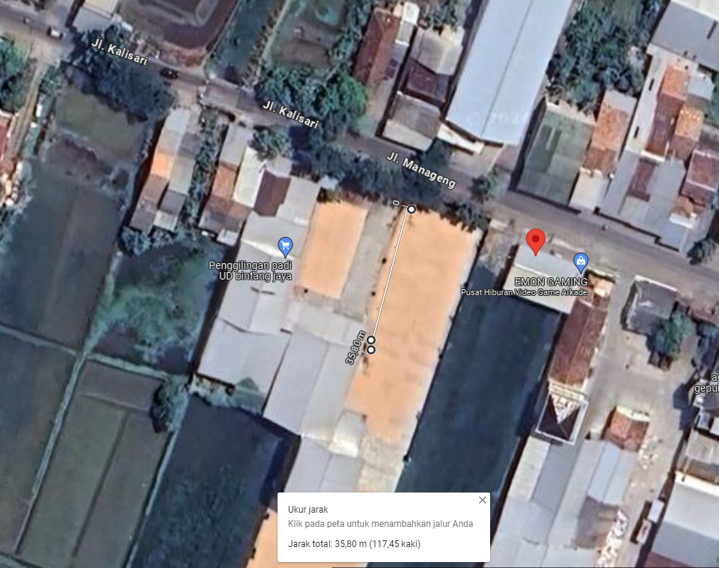

SMP 1

